Permitme_main _sub_V1
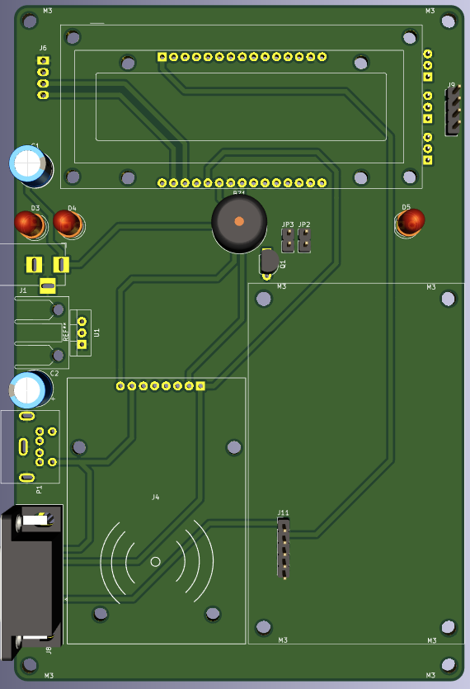
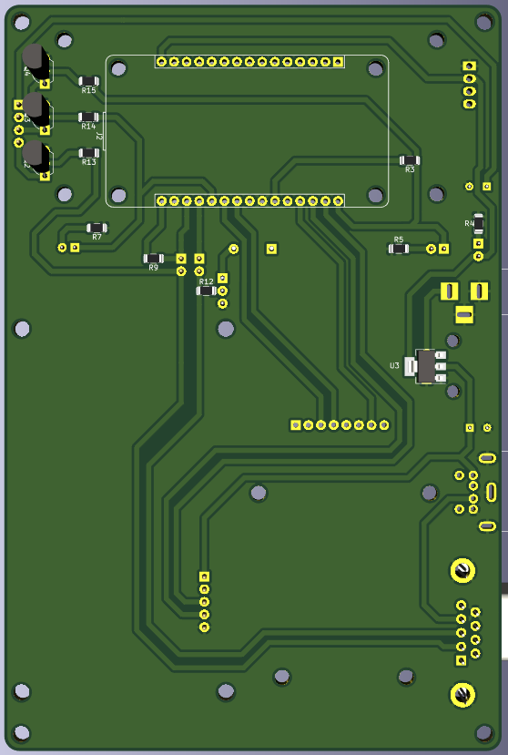
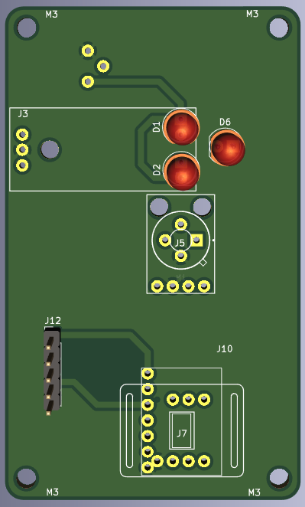
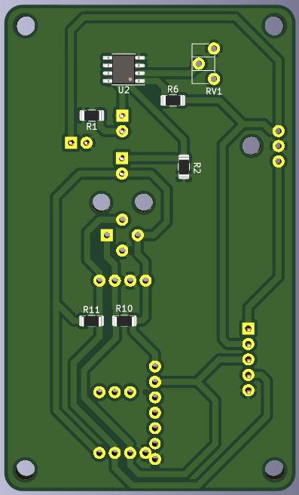
Id | Designator | Package | Quantity | Designation
1 | BZ1 | Buzzer_12x9.5RM7.6 | 1 | 5V Buzzer
2 | C1 | CP_Radial_D8.0mm_P3.50mm | 1 | 100uf 16V
3 | C2 | CP_Radial_D8.0mm_P3.50mm | 1 | 470uf 16V
4 | D1 | LED_D5.0mm | 1 | IR_TX
5 | D2 | LED_D5.0mm | 1 | IR_RX
6 | D4 | LED_D5.0mm | 1 | RED LED 5MM
7 | D5 | LED_D5.0mm | 1 | GREEN LED 5MM
8 | J1 | BarrelJack_Horizontal | 1 | DC Barrel_Jack_Switch
9 | J11 | PinHeader_1x05_P2.54mm_Vertical | 1 | Female Burg Strip
10 | J12 | PinHeader_1x05_P2.54mm_Vertical | 1 | Male Burg Strip
11 | J2 | NODEMCU_LOLIN_V3 | 1 | ESP8266 Module
12 | J5 | MLX90614 | 1 | MLX90614
13 | J6 | WC1602A_I2C | 1 | I2C LCD
14 | J7 | MAX30102 | 1 | MAX30102
15 | JP2,JP3 | PinHeader_1x02_P2.54mm_Vertical | 2 | Jumper
16 | Q1 | TO-92L_Inline_Wide | 1 | BC548
17 | R1 | R_1206_3216Metric | 1 | 100E
18 | R11,R10 | R_1206_3216Metric | 2 | 220E
19 | R12 | R_1206_3216Metric | 1 | 1K
20 | R2 | R_1206_3216Metric | 1 | 10K
21 | R7,R3,R9,R5,R4,R6 | R_1206_3216Metric | 6 | 330E
22 | REF** | Heatsink16by35 | 1 | Heatsink16by35
23 | RV1 | Potentiometer_ACP_CA6-H2,5_Horizontal | 1 | 10K
24 | U2 | SOIC-8_3.9x4.9mm_P1.27mm | 1 | LM358

25 | P1 | Connector_Mini-DIN_Female_6Pin_2rows | 1 | PS2 FEMALE – 6pins
 |  | OR
 | J4 | RFID_MFRC522 | 1 | MFRC522

26 | U1 | TO-220-3_Vertical | 1 | LM1117-5.0
 |  | OR
 | U3 | SOT-223-3_TabPin2 | 1 | LM1117-5.0

 | Optinal
27 | D3,D6 | LED_D5.0mm | 2 | LED
28 | R14,R13,R15 | R_1206_3216Metric | 3 | 1K
29 | Q4,Q1,Q3,Q2 | TO-92L_Inline_Wide | 3 | BC548
30 | J8 | DSUB-9_Female_Horizontal | 1 | DB9_Female_MountingHoles

